Reports
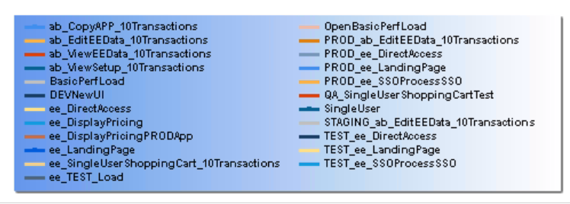
 | TFS Report on Performace Trend
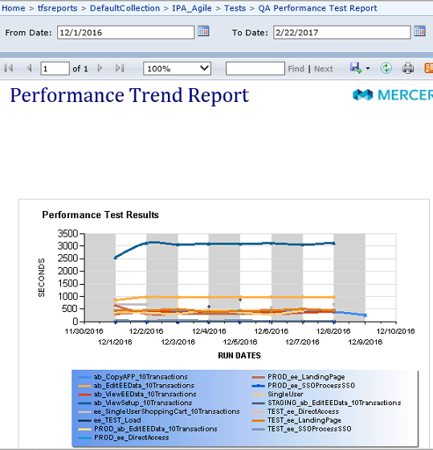

List of Test executed from Jan 2016 to Dec 2016

Graph
IPA Weekly Performance Numbers
 | PROD_ee_DirectAccess | PROD_ee_LandingPage | PROD_ee_SSOProcessSSO | ab_CopyAPP_10Transactions | ab_EditEEData_10Transactions | ab_ViewEEData_10Transactions | ab_ViewSetup_10Transactions | ee_SingleUserShoppingCart_10Transactions | TEST_ee_DirectAccess | TEST_ee_LandingPage | Staging_ab_EditEEData_10Transactions | QALoadTest1
2017-08-04 | 1 | 42 | 6 | 94 | 63 | 26 | 185 | 183 | 9 | 42 | 109 | 43
2017-08-14 | 3 | 34 | 6 | 106 | 85 | 34 | 241 | 171 | 11 | 56 | 116 | 155
2017-08-21 | 3 | 32 | 4 | 112 | 77 | 37 | 218 | 170 | 9 | 74 | 98 | 128
2017-08-28 | 4 | 38 | 4 | 101 | 90 | 31 | 220 | 79 | 6 | 59 | 115 | 130
2017-09-04 | 3 | 38 | 2 | 102 | 79 | 34 | 236 | 143 | 14 | 78 | 125 | 124
2017-09-11 | 5 | 45 | 2 | 100 | 78 | 36 | 232 | 120 | 8 | 50 | 98 | 135
2017-09-18 | 3 | 63 | 2 | 107 | 93 | 38 | 225 | 155 | 4 | 63 | 100
2017-09-25 | 4 | 33 | 2 | 101 | 86 | 34 | 241 | 144 | 6 | 68 | 116 | 121
2017-10-02 | 3 | 37 | 2 | 103 | 96 | 34 | 219 | 143 | 11 | 61 | 71 | 134
2017-10-09 | 3 | 44 | 2 | 121 | 87 | 30 | 222 | 142 | 13 |  | 73 | 142
2017-10-16 | 3 | 38 | 2 | 100 | 90 | 31 | 247 | 223 | 4 | 56 | 100 | 112
2017-10-30 | 3 | 45 | 2 | 69 | 82 | 36 | 220 | 182 | 3 | 48 | 130 | 138
2017-11-06 | 1 | 43 | 3 | 64 | 87 | 32 | 223 | 198 | 3 | 48 | 104 | 118
2017-11-14 | 1 | 45 | 2 | 96 | 80 | 36 | 232 | 204 | 5 | 56 | 110 | 112
2017-11-20 | 3 | 44 | 3 | 91 | 107 | 36 | 240 | 180 | 3 | 68 | 104 | 142
2017-11-27 | 3 | 46 | 2 | 91 | 75 | 45 | 217 | 172 | 3 |  | 89 | 142
2017-12-05 | 3 | 48 | 2 | 59 | 101 | 40 | 302 | 153 | 5 | 88 | 163 | 65
2017-12-12 | 3 | 47 | 87 | 107 | 116 | 45 | 308 | 170 | 5 | 55 | 126 | 136
2017-12-19 | 3 | 45 | 2 | 90 | 114 | 42 | 329 | 149 | 9 | 51 | 135 | 148
2017-12-26 | 3 | 47 | 2 | 90 | 108 | 53 | 335 | 175 | 3 | 95 | 131 | 171
Load Test | 2017-08-04 | 2017-08-14 | 2017-08-21 | 2017-08-28 | 2017-09-04 | 2017-09-11 | 2017-09-18 | 2017-09-25 | 2017-10-02 | 2017-10-09 | 2017-10-16 | 2017-10-30 | 2017-11-06 | 2017-11-14 | 2017-11-20 | 2017-11-27 | 2017-12-05 | 2017-12-12 | 2017-12-19 | 2017-12-26
PROD_ee_DirectAccess | 1 | 3 | 3 | 4 | 3 | 5 | 3 | 4 | 3 | 3 | 3 | 3 | 1 | 1 | 3 | 3 | 3 | 3 | 3 | 3
PROD_ee_LandingPage | 42 | 34 | 32 | 38 | 38 | 45 | 63 | 33 | 37 | 44 | 38 | 45 | 43 | 45 | 44 | 46 | 48 | 47 | 45 | 47
PROD_ee_SSOProcessSSO | 6 | 6 | 4 | 4 | 2 | 2 | 2 | 2 | 2 | 2 | 2 | 2 | 3 | 2 | 3 | 2 | 2 | 87 | 2 | 2
ab_CopyAPP_10Transactions | 94 | 106 | 112 | 101 | 102 | 100 | 107 | 101 | 103 | 121 | 100 | 69 | 64 | 96 | 91 | 91 | 59 | 107 | 90 | 90
ab_EditEEData_10Transactions | 63 | 85 | 77 | 90 | 79 | 78 | 93 | 86 | 96 | 87 | 90 | 82 | 87 | 80 | 107 | 75 | 101 | 116 | 114 | 108
ab_ViewEEData_10Transactions | 26 | 34 | 37 | 31 | 34 | 36 | 38 | 34 | 34 | 30 | 31 | 36 | 32 | 36 | 36 | 45 | 40 | 45 | 42 | 53
ab_ViewSetup_10Transactions | 185 | 241 | 218 | 220 | 236 | 232 | 225 | 241 | 219 | 222 | 247 | 220 | 223 | 232 | 240 | 217 | 302 | 308 | 329 | 335
ee_SingleUserShoppingCart_10Transactions | 183 | 171 | 170 | 79 | 143 | 120 | 155 | 144 | 143 | 142 | 223 | 182 | 198 | 204 | 180 | 172 | 153 | 170 | 149 | 175
TEST_ee_DirectAccess | 9 | 11 | 9 | 6 | 14 | 8 | 4 | 6 | 11 | 13 | 4 | 3 | 3 | 5 | 3 | 3 | 5 | 5 | 9 | 3
TEST_ee_LandingPage | 42 | 56 | 74 | 59 | 78 | 50 | 63 | 68 | 61 |  | 56 | 48 | 48 | 56 | 68 |  | 88 | 55 | 51 | 95
Staging_ab_EditEEData_10Transactions | 109 | 116 | 98 | 115 | 125 | 98 | 100 | 116 | 71 | 73 | 100 | 130 | 104 | 110 | 104 | 89 | 163 | 126 | 135 | 131
QALoadTest1 | 43 | 155 | 128 | 130 | 124 | 135 |  | 121 | 134 | 142 | 112 | 138 | 118 | 112 | 142 | 142 | 65 | 136 | 148 | 171
QALoadTest2 | 29 | 27 | 28 | 33 | 47 | 43 |  | 47 | 36 | 30 | 28 | 27 | 30 | 35 | 32 | 32 | 31 | 30 | 32 | 34

